nb
REF | PIC | RRP | WHL | Discount | 41.5 | 42 | 42.5 | 43 | 44 | 44.5 | 45 | 45.5 | 46.5 | QTY
ML574-EVB | 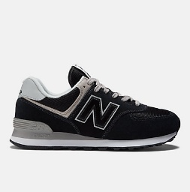 | 120.00 € | 60.00 € | 10.00% | 7 | 10 | 13 | 15 | 10 | 10 | 15 | 10 | 10 | 100 | ready
ML574-EVG | 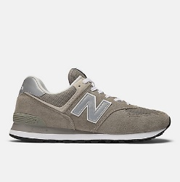 | 120.00 € | 60.00 € | 10.00% | 7 | 10 | 13 | 15 | 10 | 10 | 15 | 10 | 10 | 100 | ready
ML574-EVM | 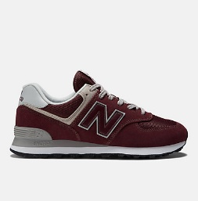 | 120.00 € | 60.00 € | 10.00% | 7 | 10 | 13 | 15 | 10 | 10 | 15 | 10 | 10 | 100 | ready
ML574-EVN | 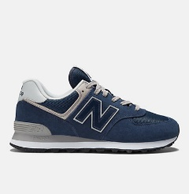 | 120.00 € | 60.00 € | 10.00% | 7 | 10 | 13 | 15 | 10 | 10 | 15 | 10 | 10 | 100 | ready

 |  |  |  |  |  |  |  |  |  |  |  |  |  | 400

